Sheet1
Image | Description | Style/Design | Colour | EAN | Units | Available
 |  |  |  | Unit | Per | Quantity
 |  |  |  |  | Carton | Units

 | Retro Football T-Shirts
 | Argentina
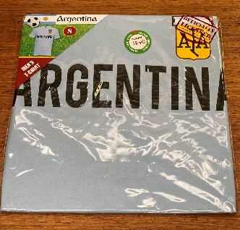 | Small | Ringer | Light Blue | 5060535392464 |  | 13
 | Medium | Ringer | Light Blue | 5060535392471 |  | 36
 | Large | Ringer | Light Blue | 5060535392488 |  | 38
 | Xtra Large | Ringer | Light Blue | 5060535392495 |  | 22

 | Brazil
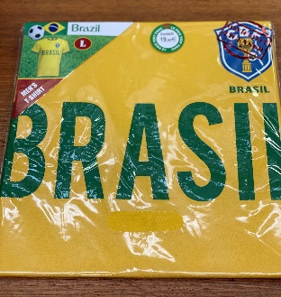 | Small | Ringer | Yellow | 5060535392501 |  | 8
 | Medium | Ringer | Yellow | 5060535392518 |  | 36
 | Large | Ringer | Yellow | 5060535392525 |  | 34
 | Xtra Large | Ringer | Yellow | 5060535392532 |  | 23

 | France
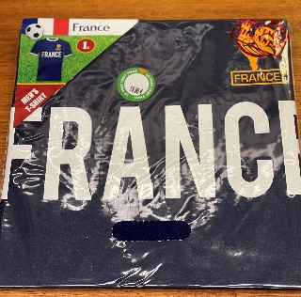 | Small | Ringer | Blue | 5060535392549 |  | 4
 | Medium | Ringer | Blue | 5060535392556 |  | 15
 | Large | Ringer | Blue | 5060535392563 |  | 9
 | Xtra Large | Ringer | Blue | 5060535392570 |  | 7

 | France
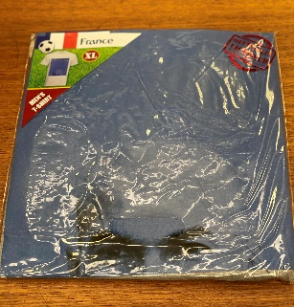 | Small | Zindane | Grey | 5060535392587 |  | 12
 | Medium | Zindane | Grey | 5060535392594 |  | 36
 | Large | Zindane | Grey | 5060535392600 |  | 37
 | Xtra Large | Zindane | Grey | 5060535392617 |  | 25

 | France
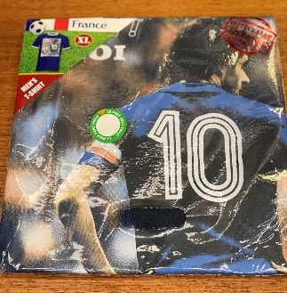 | Small | Platini - Ringer | Royal Blue, White | 5060535392624 |  | 13
 | Medium | Platini - Ringer | Royal Blue, White | 5060535392631 |  | 35
 | Large | Platini - Ringer | Royal Blue, White | 5060535392648 |  | 37
 | Xtra Large | Platini - Ringer | Royal Blue, White | 5060535392655 |  | 22

 | France
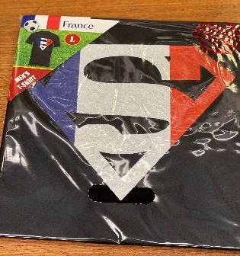 | Small | Superman | Black | 5060535392662 |  | 7
 | Medium | Superman | Black | 5060535392679 |  | 33
 | Large | Superman | Black | 5060535392686 |  | 34
 | Xtra Large | Superman | Black | 5060535392693 |  | 15

 | Mugs - Country
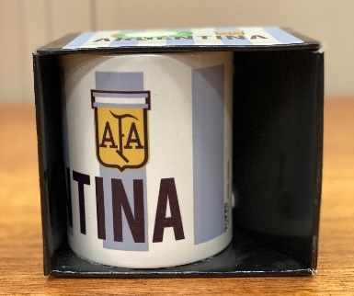 | Argentina | Logo Striped | Light Blue | 5060535392730 |  | 229
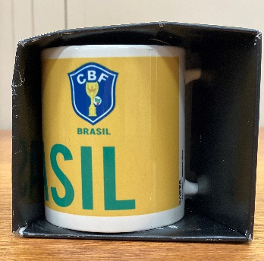 | Brazil | Logo | Yellow | 5060535392723 |  | 220
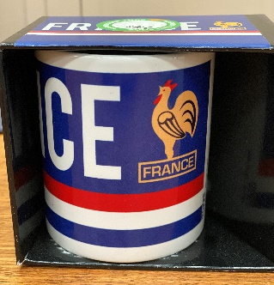 | France | Logo | Blue | 5060535392709 |  | 84
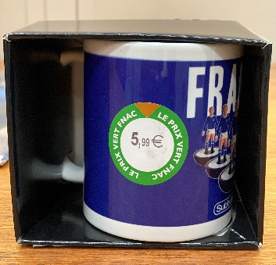 | France | Subbuteo | Blue | 5060535392716 |  | 241
 |  |  |  |  | Total | 1325

 | Mugs - Russia World Cup 2018
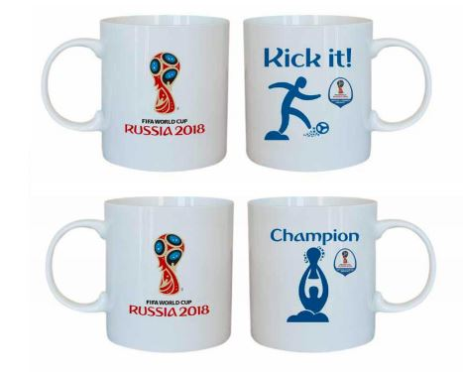 | FIFA World Cup Russia 2018 - Various Designs | See images | White/Blue |  | 36 | 6750
 |  |  |  | Grand | Total | 8075

 | All prices in GBP UK and ex works UK.
 | All offers subject to availability at the time of order.
 | Terms & Conditions apply
 | Private & Confidential

